Details of Contract Winemaking
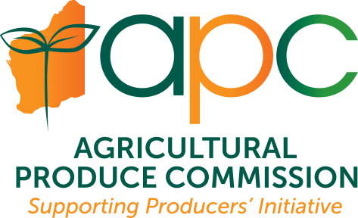 |  |  | Agricultural Produce Commission Wine Producers' Committee ABN: 33 720 315 990 |  |  |  |  |  | Agricultural Produce Commission PO Box 7205 Karawara 6152 www.apcwa.org.au 08 9368 3465 / 3734 apcadmin@dpird.wa.gov.au
 | CONTRACT WINEMAKING FOR A WEST AUSTRALIAN PRODUCER UNDERTAKEN AT A PROCESSING FACILITY
 |  |  | Agricultural Produce (Wine Industry) Regulations 2016 r9

Please email your completed form as an attachment to the APC finance officer at apcadmin@dpird.wa.gov.au

Production Year/ Vintage: |  |  |  | ABN/ACN

Your business name:
Trading name:
Vineyard Primary Location:

Town/Suburb: |  |  |  |  |  |  |  | Postcode:
 | Contact Name: |  |  |  |  |  | Email Address:

 | Did you provide contract processing services for a WA producer in 2023? |  | If 'Yes' please complete the required information below. If 'No' you do not need to complete this form.

 | Tonnes of own product: |  | APC FFS return form to be completed if not already done
 | Contract Tonnes
 | Total Tonnes | - | Total tonnes will calculate automatically if you are using the excel version of this sheet.

Wine producer that contract winemaking has been undertaken for:

ABN/ACN | Business Name | Contact Name | Address | Town/Suburb | State | Postcode | Phone # | Email | Tonnes processed

