FFSReturn
 |  |  |  |  |  |  |  |  |  |  |  |  |  |  |  |  | APC Return Id
Agricultural Produce Commission
ABN: 33 720 315 990
Wine Producers' Committee Fee for Service Return Form 2023
Agricultural Produce (Wine Industry) Regulations 2016 r9
apcadmin@dpird.wa.gov.au 08 9368 3734 / 3465 PO Box 7205, Karawara 6152 apcwa.org.au

Agricultural Produce Commission Act 1988, Section 14 & Wine Regulations 2016
A wine producer whose grapes are processed in a wine-making process in a financial year is liable to pay, by 31 July following the end of that financial year, such charges as are imposed by the Commission under Section 14 (1) of the Act. Reg 7
I certify that this return is a true and accurate record of wine grapes processed for the period indicated above.

 |  | 20181023.010000

Signature*
! | Company / Business Name |  |  |  |  | ! | Vineyard Location
! | ABN / CAN |  |  |  |  | ! | Producer Owner / Manager
! | APC ID No |  |  |  |  | ! | Email & Phone
 | Period Type |  | ANNUALLY |  |  | ! | Accounts / Contact Name
* Electronic receipt of this return from an authorised email address serves as an electronic signature.
 | Crush Year Start |  | 2022-07-01 |  |  | ! | Email & Phone
 | Crush Year End |  | 2023-06-30 |  |  | ! | Postal Address
 | Vintage |  | 2023
 |  |  |  |  |  |  |  |  |  |  |  |  | Incomplete Form - please complete all fields.
 | This fee for service return form serves as an invoice once the APC return ID has been provided. This return is GST exempt.

 | GI Location of Origin |  | Tonnes | Base Volume |  | Base Rate / Charge |  | Volume Rate |  | Volume Charge |  | Total | Payment Method |  |  | Direct Debit
 | Blackwood |  | 0 | 0 |  | $0.00 |  | $0.00 |  | $0.00 |  | $0.00
 | Geographe |  | 0 | 0 |  | $0.00 |  | $0.00 |  | $0.00 |  | $0.00 | Complete this section if paying by credit card:
 | Great Southern |  | 0 | 0 |  | $0.00 |  | $0.00 |  | $0.00 |  | $0.00
 | Margaret River |  | 0 | 0 |  | $0.00 |  | $0.00 |  | $0.00 |  | $0.00 |  |  | Card Number
 | Peel |  | 0 | 0 |  | $0.00 |  | $0.00 |  | $0.00 |  | $0.00
 | Perth Hills |  | 0 | 0 |  | $0.00 |  | $0.00 |  | $0.00 |  | $0.00 |  |  | Card Holder's Name |  |  | Expiry Date
 | Swan Districts |  | 0 | 0 |  | $0.00 |  | $0.00 |  | $0.00 |  | $0.00
 | Pemberton / Manjimup (WISF) |  | 0 | 0 |  | $0.00 |  | $0.00 |  | $0.00 |  | $0.00 |  |  | Signature*
 | State Services |  | 0 | 0 |  | $100.00 |  | $0.00 |  | $0.00 |  | $100.00
 | Biosecurity |  | 0 |  |  |  |  | $0.00 |  | $0.00 |  | $0.00
 | Total Tonnes |  | 0 |  |  |  |  |  |  |  |  |  |  |  |  |  |  |  | * Electronic submission of this return acts as permission to debit the above credit card.
 |  |  |  |  |  |  |  |  | AMOUNT DUE |  |  | $100.00 |  | Direct Debit : Account Name - Agricultural Produce Commission
Amount Due - Calculated Automatically once the data is entered below |  |  |  |  |  |  |  |  |  |  |  |  |  | BSB Number : 066 040 Account Number : 1040 0128
No Payment of $100.00 required for the NIL Returns |  |  |  |  |  |  |  |  |  |  |  |  |  | Reference : Your APC Id and Trading Name
 | Producer Input Required Below

 | Name of grower / organisation from whom grapes were purchased / if grown self then own details |  |  |  | APC Id, Address or Contact Info |  |  |  |  |  | Grape Type & Variety ( Select from the drop down menu) |  |  |  |  | GI Location of Origin ( Select from the drop down menu) |  | Tonnes

 | . |  |  |  | . |  |  |  |  |  | . |  |  |  |  | . |  | .

Rates
Rates

Tonnage Rates

Tonnage Range | Tonnage | Biosecurity | State Services | Blackwood | Geographe | Great Southern | Margaret River | Peel | Perth Hills | Pemberton / Manjimup (WISF) | Swan Districts
Up to 2 | 0 | $0.00 | $100.00 | $150.00 | $220.00 | $350.00 | $136.50 | $125.00 | $0.00 | $50.00 | $300.00
Over 2 - 5 | 2 | $0.00 | $150.00 | $150.00 | $220.00 | $350.00 | $136.50 | $125.00 | $0.00 | $100.00 | $300.00
Over 5 - 10 | 5 | $0.00 | $150.00 | $150.00 | $275.00 | $350.00 | $307.13 | $125.00 | $0.00 | $150.00 | $450.00
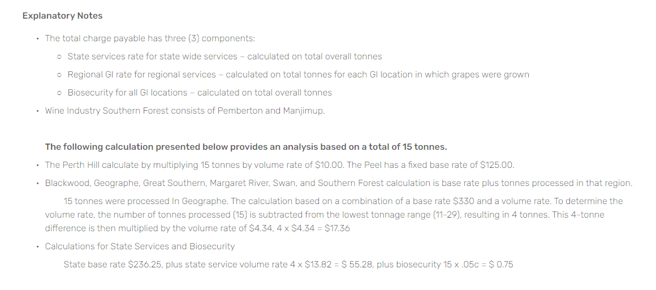
11-29 | 11 | $0.00 | $236.25 | $150.00 | $330.00 | $350.00 | $307.13 | $125.00 | $0.00 | $200.00 | $450.00
30-49 | 30 | $0.00 | $498.75 | $150.00 | $385.00 | $618.00 | $648.38 | $125.00 | $0.00 | $250.00 | $450.00
50-99 | 50 | $0.00 | $748.15 | $300.00 | $440.00 | $910.00 | $972.56 | $125.00 | $0.00 | $300.00 | $450.00
100-199 | 100 | $0.00 | $1,147.15 | $500.00 | $495.00 | $975.00 | $1,491.26 | $125.00 | $0.00 | $350.00 | $450.00
200-299 | 200 | $0.00 | $1,745.65 | $500.00 | $550.00 | $1,040.00 | $2,269.31 | $125.00 | $0.00 | $400.00 | $450.00
300-499 | 300 | $0.00 | $2,194.50 | $500.00 | $605.00 | $1,105.00 | $2,852.85 | $125.00 | $0.00 | $450.00 | $450.00
500-749 | 500 | $0.00 | $2,992.50 | $500.00 | $660.00 | $1,300.00 | $3,890.25 | $125.00 | $0.00 | $500.00 | $450.00
750-999 | 750 | $0.00 | $3,491.25 | $500.00 | $715.00 | $1,430.00 | $4,538.63 | $125.00 | $0.00 | $550.00 | $450.00
1000-1999 | 1000 | $0.00 | $3,890.25 | $500.00 | $770.00 | $1,950.00 | $5,057.33 | $125.00 | $0.00 | $550.00 | $450.00
2000-3999 | 2000 | $0.00 | $4,987.50 | $500.00 | $825.00 | $2,600.00 | $6,483.75 | $125.00 | $0.00 | $550.00 | $450.00
4000-5999 | 4000 | $0.00 | $6,982.50 | $500.00 | $880.00 | $3,900.00 | $9,077.25 | $125.00 | $0.00 | $550.00 | $450.00
6000-9999 | 6000 | $0.00 | $8,478.75 | $500.00 | $935.00 | $5,200.00 | $0.00 | $125.00 | $0.00 | $550.00 | $450.00
10000+ | 10000 | $0.00 | $9,975.00 | $500.00 | $1,100.00 | $6,500.00 | $0.00 | $125.00 | $0.00 | $0.00 | $450.00

Volume Rates

Tonnage Range | Tonnage | Biosecurity | State Services | Blackwood | Geographe | Great Southern | Margaret River | Peel | Perth Hills | Pemberton / Manjimup (WISF) | Swan Districts
Up to 2 | 0 | $0.05 | $0.00 | $0.00 | $0.00 | $0.00 | $0.00 | $0.00 | $10.00 | $1.70 | $10.00
Over 2 - 5 | 2 | $0.05 | $0.00 | $0.00 | $0.00 | $0.00 | $0.00 | $0.00 | $10.00 | $1.70 | $10.00
Over 5 - 10 | 5 | $0.05 | $17.25 | $0.00 | $0.00 | $0.00 | $0.00 | $0.00 | $10.00 | $1.70 | $10.00
11-29 | 11 | $0.05 | $13.82 | $1.50 | $4.34 | $14.88 | $17.97 | $0.00 | $10.00 | $1.70 | $10.00
30-49 | 30 | $0.05 | $12.47 | $1.50 | $1.45 | $15.39 | $16.21 | $0.00 | $10.00 | $1.70 | $10.00
50-99 | 50 | $0.05 | $7.98 | $1.50 | $0.44 | $1.33 | $10.37 | $0.00 | $10.00 | $1.70 | $10.00
100-199 | 100 | $0.05 | $5.99 | $1.50 | $0.44 | $0.66 | $7.78 | $0.00 | $10.00 | $1.70 | $10.00
200-299 | 200 | $0.05 | $4.49 | $1.50 | $0.24 | $0.66 | $5.84 | $0.00 | $10.00 | $1.70 | $10.00
300-499 | 300 | $0.05 | $3.99 | $1.50 | $0.24 | $0.98 | $5.19 | $0.00 | $10.00 | $1.70 | $10.00
500-749 | 500 | $0.05 | $2.00 | $1.50 | $0.24 | $0.52 | $2.59 | $0.00 | $10.00 | $1.70 | $10.00
750-999 | 750 | $0.05 | $1.60 | $1.50 | $0.24 | $2.90 | $2.08 | $0.00 | $10.00 | $1.70 | $10.00
1000-1999 | 1000 | $0.05 | $1.10 | $1.50 | $0.06 | $0.65 | $1.43 | $0.00 | $10.00 | $1.70 | $10.00
2000-3999 | 2000 | $0.05 | $1.00 | $1.50 | $0.06 | $0.65 | $1.30 | $0.00 | $10.00 | $1.70 | $10.00
4000-5999 | 4000 | $0.05 | $0.75 | $1.50 | $0.04 | $0.50 | $0.98 | $0.00 | $10.00 | $1.70 | $10.00
6000-9999 | 6000 | $0.05 | $0.37 | $1.50 | $0.04 | $0.32 | $0.00 | $0.00 | $10.00 | $1.70 | $10.00
10000+ | 10000 | $0.05 | $0.00 | $1.50 | $0.00 | $0.00 | $0.00 | $0.00 | $10.00 | $1.70 | $10.00

