Nil Return Form
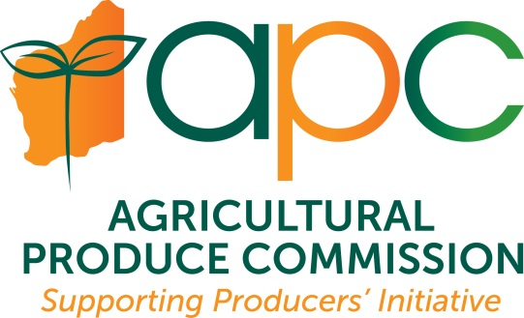 |  |  |  | Agricultural Produce Commission Wine Producers' Committee ABN: 33720315990 |  |  |  |  |  | Agricultural Produce Commission PO Box 7205 Karawara 6152 www.apcwa.org.au 08 9368 3734 / 3465 apcadmin@dpird.wa.gov.au
 |  |  |  | WINE PRODUCERS 'NIL' RETURN FORM FOR 2023 VINTAGE
 |  |  |  | Agricultural Produce (Wine Industry) Regulations 2016 r8
 | Please email this completed form as an attachment to the APC finance officer at apcadmin@dpird.wa.gov.au

 | Production Year / Vintage: |  |  |  | ABN/ACN

 | Your business name:
 | Trading name:
 | Vineyard Primary Location:

 | Town/Suburb: |  |  |  |  |  |  |  | Postcode:
 |  | Contact Name: |  |  |  |  | Email Address:

 | Did you process wine from the 2023 vintage? |  |  | If 'Yes' you do not need to complete this form - please complete an 'APC Wine Producers' FFS Return' form . If 'No' please enter 'No' and then go to next question.
 | Will you process wine in future years? |  |  | Please respond 'Yes' or 'No' to enable us to update our database.
 | Did you sell wine grapes from the 2023 vintage? |  |  | If 'Yes' please provide information below.

 | Details of organisation / person to whom wine grapes were sold
 | ABN/ACN | Business Name | Contact Name | Address | Town/Suburb | State | Postcode | Phone # | Email | Tonnes sold

 | D E C L A R A T I O N |  |  |  |  | D E C L A R A T I O N
 | I declare that the information provided in this form is true and correct at today's date. I understand that submitting a 'Nil' return means that I am officially declaring that I did not produce wine in the stated year.
 | Name: |  |  | Signature: |  | Date:

